Pivot Tables
Performance

Sum of Quantity | Variable | Unit
 | Consumption | Consumption Total
Region/Country | 1000 hl
United States of America | 33611 | 33611
France | 26028 | 26028
Italy | 22400 | 22400
Germany | 20000 | 20000
China | 17568 | 17568
United Kingdom | 12904 | 12904
Spain | 10850 | 10850
Russia | 9876 | 9876
Argentina | 8396 | 8396
Australia | 5272 | 5272

Gross Value
Country | Billion
United States of America | 11.29
France | 8.75
Italy | 7.53
Germany | 6.72
China | 5.90
United Kingdom | 4.34
Spain | 3.65
Top Contributers to the Global Wine Market
Russia | 3.32
Argentina | 2.82
Australia | 1.77

 |  |  |  |  | Note: Measured at a ratio of 1 : 1000hl
 |  |  |  |  | 1hl = 100L

Sum of Quantity | Column Labels
 | Argentina | Argentina Total | Australia | Australia Total | China | China Total | France | France Total | Germany | Germany Total | Italy | Italy Total | Russia | Russia Total | Spain | Spain Total | United Kingdom | United Kingdom Total | United States of America | United States of America Total | Grand Total
Row Labels | 1000 hl |  | 1000 hl |  | 1000 hl |  | 1000 hl |  | 1000 hl |  | 1000 hl |  | 1000 hl |  | 1000 hl |  | 1000 hl |  | 1000 hl
2018 | 8396 | 8396 | 5272 | 5272 | 17568 | 17568 | 26028 | 26028 | 20000 | 20000 | 22400 | 22400 | 9876 | 9876 | 10850 | 10850 | 12904 | 12904 | 33611 | 33611 | 166905
2019 | 8532 | 8532 | 5803 | 5803 | 14999 | 14999 | 24714 | 24714 | 19800 | 19800 | 22600 | 22600 | 9968 | 9968 | 10700 | 10700 | 13034 | 13034 | 34175 | 34175 | 164325
2020 | 9430 | 9430 | 5950 | 5950 | 12396 | 12396 | 23202 | 23202 | 19844 | 19844 | 24200 | 24200 | 10267 | 10267 | 9552 | 9552 | 13400 | 13400 | 32859 | 32859 | 161100
2021 | 8381 | 8381 | 5716 | 5716 | 10492 | 10492 | 25202 | 25202 | 19800 | 19800 | 24200 | 24200 | 10472 | 10472 | 10500 | 10500 | 13403 | 13403 | 33077 | 33077 | 161243
Grand Total | 34739 | 34739 | 22741 | 22741 | 55455 | 55455 | 99146 | 99146 | 79444 | 79444 | 93400 | 93400 | 40583 | 40583 | 41602 | 41602 | 52741 | 52741 | 133722 | 133722 | 653573

Dashboard
Global Wine Performance

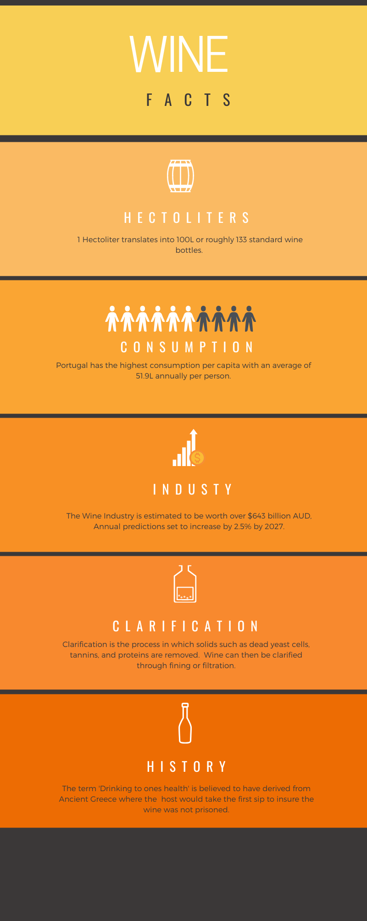
Yearly Performance
 | Argentina - 1000 hl | Australia - 1000 hl | China - 1000 hl | France - 1000 hl | Germany - 1000 hl | Italy - 1000 hl | Russia - 1000 hl | Spain - 1000 hl | United Kingdom - 1000 hl | United States of America - 1000 hl
2018 | 8396 | 5272 | 17568 | 26028 | 20000 | 22400 | 9876 | 10850 | 12904 | 33611
2019 | 8532 | 5803 | 14999 | 24714 | 19800 | 22600 | 9968 | 10700 | 13034 | 34175
2020 | 9430 | 5950 | 12396 | 23202 | 19844 | 24200 | 10267 | 9552 | 13400 | 32859
2021 | 8381 | 5716 | 10492 | 25202 | 19800 | 24200 | 10472 | 10500 | 13403 | 33077

Top Contributers to the Global Wine Market
 | Consumption - 1000 hl
United States of America | 33611
France | 26028
Italy | 22400
Germany | 20000
China | 17568
United Kingdom | 12904
Spain | 10850
Russia | 9876
Argentina | 8396
Australia | 5272

Gross Value
United States of America | 11.29
France | 8.75
Italy | 7.53
Germany | 6.72
China | 5.90
United Kingdom | 4.34
Spain | 3.65
Russia | 3.32
Argentina | 2.82
Australia | 1.77

